HRV
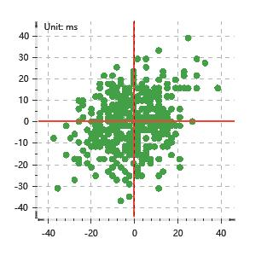
Data Info
 | Recording | 正式实验2
 | Subject | 赵殿飞
 | Create Time | 2023-11-13 15:55:50.698
 | Data Name | Chest1 ECG
 | Data Type | ECG
 | Sample Rate | 512
 | Segment | 后静息态
 | Start Time | 0:58:32
 | End Time | 1:03:32
 | Duration | 0:05:00

Replay Chart
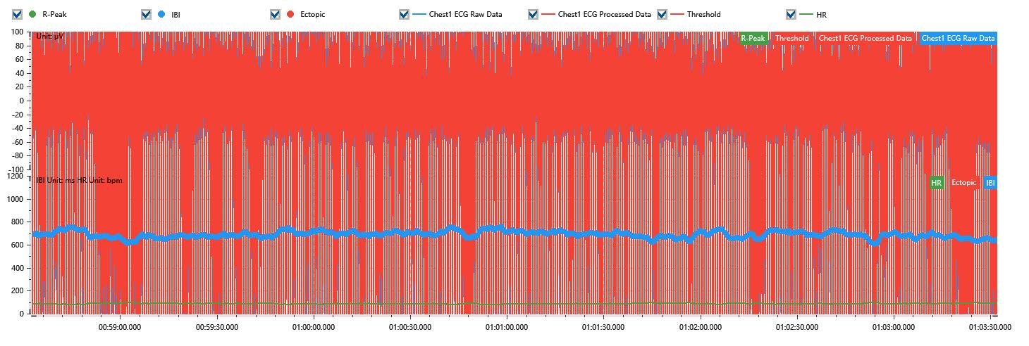

Process parameters
 | Filters
 | Wavlet filter | Enabled | 中
 | Amplitude normalization | Disabled | 中
 | High Pass filter | Enabled | 1μV
 | Band Stop filter | Enabled | 50μV
 | Low Pass filter | Enabled | 100μV
 | Interbeat Interval
 | R-Peak extraction | Maximum heart rate | 120bpm
 | R-Peak extraction | Threshold | 70%
 | Extopic detection | Percent | Disabled | 20%
 | Extopic detection | Median | Enabled | 4(samples)
 | Extopic correction | 中值 | 5(samples)

Time Domain
 | MeanIBI | MeanHR | SDNN | SDANN | RMSSD | SDSD | PNN50 | PNN20 | Data Length
 | 684.84ms | 88bpm | 28.45ms | 0ms | 12.26ms | 12.27ms | 0% | 9.17% | 437

Frequency Domain
 | Band | Range | Power | Power Percent | Power Normalized | Peak | Data Length
 | ULF | 0 - 0.0033Hz | 32.02ms² | 4.21% | 0 | 0Hz | 4
 | VLF | 0.0033 - 0.04Hz | 328.41ms² | 43.17% | 0 | 0Hz | 37
 | LF | 0.04 - 0.15Hz | 318.65ms² | 41.88% | 0.8 | 0.04Hz | 113
 | HF | 0.15 - 0.4Hz | 81.74ms² | 10.74% | 0.2 | 0.15Hz | 256

 | Total Power | 760.82ms² | LF/HF | 3.9 | VLF/ULF | 0.1
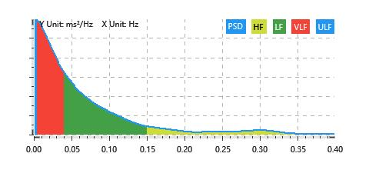

Nonlinear
 | Poincare | SD1 | 8.68ms | SD2 | 39.29ms
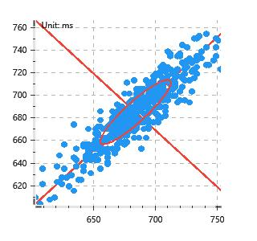

 | Scatter | A++ | 107 | B-- | 104

